Guidelines for PPD Diamond
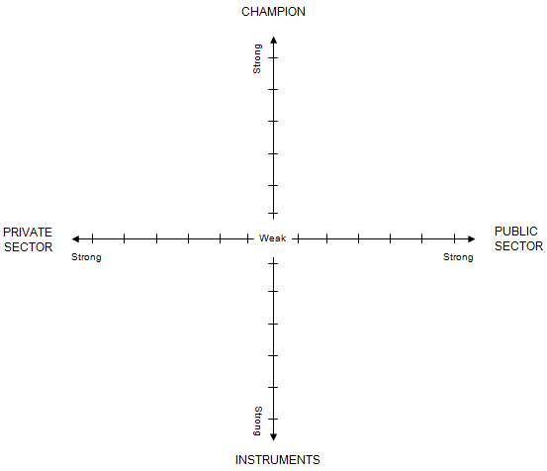
Readiness to host a create or sustain a dialogue process
~
Guidelines for PPD Diamond
Four key contextual factors are necessary to consider when appraising the potential for PPD in a given country:
• The readiness and willingness of the private sector and the government to engage and interact.
• The presence of a potential champion who can facilitate the dialogue process, activate political will and reduce the trust gap between public and private sector stakeholders.
• The availability of logistical, financing, and capacity building instruments which can help implement and monitor the dialogue process.
The readiness and willingness of the private sector to engage and interact
• The private sector needs to feel a basic sense of security, and have a stake in reform. Entrepreneurs who face threats to life or limb are unlikely to start voicing their business concerns, either because it is not a vital priority for them and their families, or because doing so could put them in great danger. However, if the security situation is stabilized, then they will have a greater interest in improving the conditions in which they do business.
• It needs to be somehow organized, with some entrepreneurs able to provide leadership. A country with no business advocates whatsoever will be hard to mobilize. But if the country is already hosting, even disparately, some entrepreneur networks, business associations, sector representatives, chambers of commerce, etc. then PPDs will be able to gather and redirect that existing energy. The presence of highly regarded entrepreneurs will also facilitate the process.
• More
The readiness and willingness of the government to engage and interact
• Even if a dialogue process has been initiated by the entrepreneurs, it will collapse if there is no political will to engage in dialogue. Therefore a responsive government is key to the success or failure of PPD. Political will is likely to grow with time, as the benefits of engaging in dialogue with constituencies becomes evident to local politicians. It will, however, need to be jump-started in some cases by the sponsor.
• Capacity is paramount, as lack of capacity can result in failure of understanding of parties involved, and lack of follow-up in reform or action implementation. In countries with low government capacity, PPDs are more difficult to sustain, even after a positive initial phase, since entrepreneurs are often quickly disappointed by the lack of administrative or legislative follow-up from their recommendations.
• Lastly, government leadership is essential. Strong leadership from a strategic visionary head of the executive will often make up for other shortcomings, such as low capacity or general lack of free thinking in the administration.
The championing of the dialogue process
• When the institutional framework is not sufficiently dialogue oriented to sustain regular and constructive dialogue between the public and the private sector, a champion is required to bridge the trust gap and bring the parties to the table. Even when dialogue processes are already established and working, a champion (whether an individual or an organization) is often necessary to sustain the energy and keep pushing for involvement of the parties over the long run. An important sponsor’s criteria is strong credibility with both actors. Development Partners sometime play this role through their local presence. A mentor country can also be a PPD champion. The champion can also be a well-respected personality by both the private sector and the government, such as an academic or a public persona.
• An important condition that the champion needs to fill is to have the appropriate expertise. Indeed, multi-stakeholder policy and reform making need to be coordinated with framework efforts, and the champion needs to be able to mobilize the appropriate expertise and contacts to jump-start the process and keep brokering it.
The availability of logistical, financing, and capacity building instruments
• The champion needs to be able to be complemented by instruments provided either by the champion, the private sector, the government, development partners, or a combination of those. These instruments can be logistical facilities, seed funds for starting the initiative until further funding becomes available, budget allocation from agencies, programmatic financing, etc..
Each of the four dimensions is represented in a diagram. For a given country, champion, public authorities, private sector, and the availability of instruments are evaluated from weak to strong. By joining the four dots together, a polygon is obtained, which illustrates strengths and weaknesses of a specific context. This is called the “PPD Diamond” (Herzberg, 2005). The PPD diamond is a simple conceptual framework for aiding clarity of thought when considering the context for PPD. The three actors, together with the instruments, can be mapped out to determine the context for PPD for a specific country. This exercise is not intended to be exhaustive. Rather it aims to provide a tool that will start a debate on the readiness of the stakeholders to engage or to carry on a given dialogue process.
It maps the strength of four essential elements of PPD on two vertical and two horizontal axes, each graded from 0 (weak) to 5 (strong).
The PPD Diamond needs to be complemented by a narrative explaining the score, and describing the country context.

PPD Diamond Summary Scoring
COUNTRY:

PPD Diamond
Each dimension from weak (0) to strong (5)

Values assigned (from PPD Diamond Detailed Scoring)
Instruments | 3.4
Public Sector | 3.1
Champion | 2.3
Private Sector | 2.7
Average | 2.9

